Sheet1
 | Document No. | Issue No. | Issue Date |  | Review and Replace Date |  | Authorised By
 | GFF297MC | 1 | 30.07.2021 |  | New Issue |  | Magda Shah
 | Document Title | 2 Lancashire Cheese & Plum Chutney Parcel 300g
Document amendments reason for change | New document |  |  | Page 1 of 1 | Previous Issue Date | New Issue | Uncontrolled copy unless signed original

CVLCPJP1-R1TEB | BOOTHS | 2 LANCASHIRE CHEESE & PLUM CHUTNEY PARCEL 300g
STEP 1 |  |  |  | STEP 2
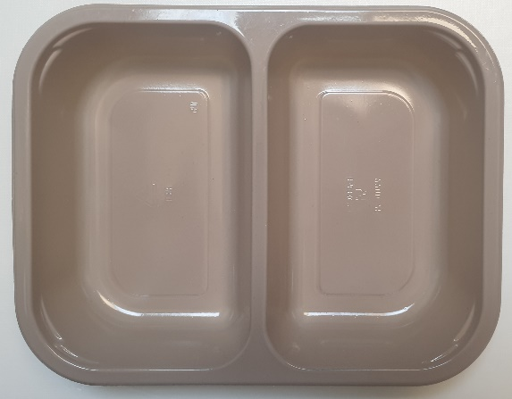 |  |  |  | 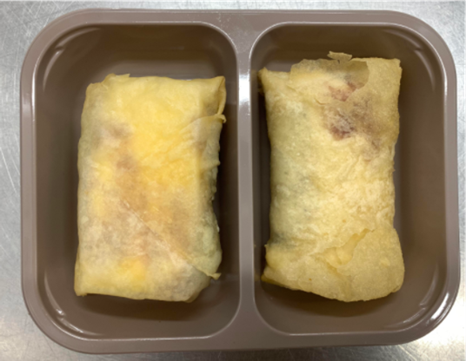

Tray: EVOLVE CPET 2200-2B (PKRHP001-11) |  |  |  | 2 x Lancashire Cheese & Plum Chutney Parcel (GFF372R) 2 x 150g
Line 1: Mylar 250LAF 250mm x 1000 (PKWRA001-08)
Line 1: K-Peel 75G + AF 25 250mm (PKKMP001-01)
Line 2: Mylar 25OLAF - 380mm wide (PKWRA001-02)
STEP 3

TOTAL WEIGHT: 300g

ALLERGY ALERT: MILK, WHEAT

